Report
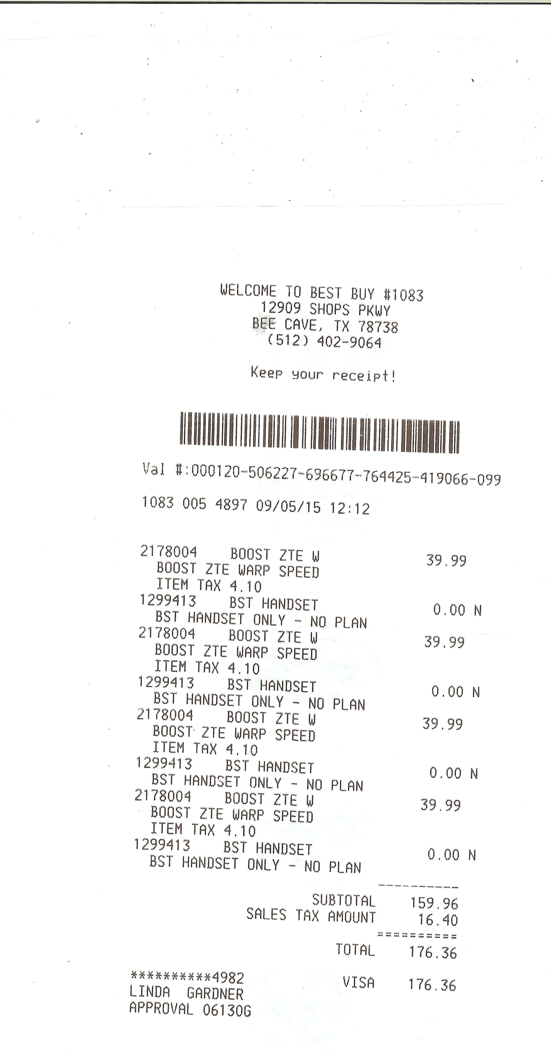
WESTLAKE & EANES SCIENCE & TECHNOLOGY ASSOCIATION (WESTA) |  |  |  |  |  |  |  |  |  | Expense Report

Linda Gardner |  |  |  |  | << These autofill from cells below >> |  |  |  |  | 2015-09-13

# | Expense Date | Prog | School | Vendor | Item Description |  |  |  | Amount | Account (for Accounting Use Only)
1 | 2015-09-05 | FTC | WHS | Best Buy | 4 ZTE Phones - 2 for Omegas 2 for Sigmas |  |  |  | $176.36 | Supplies
2
3
4
5
6
7
8
9
10
11
12
•Submit receipts for all your expenses by inserting a scanned copy into this report. Please keep a copy of each report and all receipts for your records. • Need more detail lines? To keep formulas/layouts working properly, insert these above the subtotal line. Copy and paste one of the original lines to carry over formatting and lookups. |  |  |  |  |  |  |  | Subtotal: | $176.36
 |  |  |  |  |  |  |  | less Cash Advances: | $-
 |  |  |  |  |  |  |  | Net Amount Due: | $176.36

Name: |  | Linda Gardner |  |  |  |  |  | Date: | 2015-09-13
Address: |  | 7805 Brightman Lane
City: |  | Austin |  |  | State: | TX | ZIP: | 78733

Purpose: |  | Parts for FTC

